Price Elasticity
Definition:
 | Elasticity: Defined as a Function of Price = Fn(Price)
 | As price goes up, demand goes down!
 | There is a maximum price at which demand will be = 0
 | There is a minimum price at which we want to sell in order the make minimum profit
 | Thus, there is a price range for which you would want to sell a product for. There is a price point for which one may ask "how do I basically manage the demand vs the price".

 | If there is no price elasticity, then demand is constant regardless of the price
 | eg.: When gas prices went up demand went down considerably and the reflected in the stock prices - however not too low of a demand because people need to move around regardless.
 | First necessity products have little elasticity and on the contrary, goods & services have high elasticity - so when the price goes up demand goes down.

 | In this task, we assume demand is a linear function of price for our model.
 |  | D = a * P + b |  | = | y = ax + b
 |  | b is the intercept and a is the slope
 |  | Typically, we determine what the coefficients will be - since the price goes up the demand goes down, coefficient of a is negative
 |  |  | D = b - a' * P
 |  |  | a' = -a
 |  | Conclusion: when P = b/a then demand = 0
 |  | We do not want a situation where we have prices so high that D = 0
 |  | So, the key element here is to determine -
 |  |  | what is the relationship between Demand and Price?

 |  |  |  |  |  |  |  |  |  | Max Capacity - where you cannot sell any more/less than what the capacity is. Thus, you do not want to sell any less
 |  |  |  |  |  |  |  |  |  |  |  | than the minimum price because below that threshold you just giving away products
 |  |  |  |  |  |  |  |  |  |  |  |  | and when that happens the demand is going to be higher than the capacity ...
 |  |  |  |  |  |  |  |  |  | Feasible Range

 |  | Illustration to determine Max Price at which demand will be 0: (assuming)
 |  |  | price of BL = $2.50; demand = infinite --> sold @ min price
 |  |  | price of BL = $150; demand = very few cases --> sold @ max price

 |  |  | Referencing our RM Options where BL = $35 and WL = $15, if …
 |  |  | BL price = WL price --> demand = 10,000 (full capacity/demand, 100% will be sold as BL)

 |  |  | On the other hand, when is BL price too high that demand is 0 …?
 |  |  | BL price = 25% higher than benchmark competitive product
 |  |  |  | if competitive product = $50
 |  |  |  | price where demand = 0 … : $50 + .25 * $50 = $62.50
 |  |  |  | Thus, price where demand is potentially 0 = $62.5

 |  | With these two point (min = $15, max = $62.5) we can identify the linear relationship ie. The Function Demand and Price

 |  |  | Price (X) | Demand (Y) |  |  |  |  |  |  |  | from the table, when price = 62.5; demand = 0
 |  |  | $15.00 | 10,000 |  |  |  |  |  |  |  | D = b - a' * P
 |  |  | $62.50 | 0 |  |  |  |  |  |  |  | a' = -a
 |  |  |  |  |  |  |  |  |  |  |  | D = a * P + b |  | = | y = ax + b
 |  |  | when price = 62.5 demand = 0 |  |  |  |  |  |  |  |  | find b;
 |  |  | Conclusion: when P = b(intercept)/a(Slope) then demand = 0; P = 62.5 |  |  |  |  |  |  |  |  | a * P + b = D; where D = 0
 |  |  | b/a = -62.5 |  |  |  |  |  |  |  |  | b = 0 - a * P
 |  |  | b = -62.5 * a |  |  |  |  |  |  |  |  | b = a' * p

 |  |  | when P = 15; D = 10000 |  |  |  |  |  |  |  |  | from table when price = 15; demand = 10000
 |  |  | 10000 = b - a * 15 |  |  |  |  |  |  |  |  | find b;
 |  |  | b = 10000 + a * 15 |  |  |  |  |  |  |  |  | a * P + b = D; where D = 10000
 |  |  |  |  |  |  |  |  |  |  |  | b = D + a' * P
 |  |  | 62.5 * a' = 10000 |  |  |  |  |  |  |  |  | b = 10000 + a' * 15
 |  |  | a = (-10000/77.5)
 |  |  | -129.032 | Slope - implying every $1 increase results in the |  |  |  |  |  |  |  | back to plugin b into D = a * P + b
 |  |  |  |  | decrease demand of 130 bottles!! |  |  |  |  |  |  | b = 10000 + a' * 15
 |  |  |  |  |  |  |  |  |  |  |  | D = a * P + b
 |  |  | b = -62.5 * a |  |  |  |  |  |  |  |  | 10000 = b - a * 15 |  | find b; (note that a', -a interchangeably)
 |  |  | b = -62.5 * -130 |  |  |  |  |  |  |  |  | b - a * 15 = 10000
 |  |  | 8125 |  |  |  |  |  |  |  |  | b = 10000 + a * 15

 |  |  | Demand Function: |  |  |  |  |  |  |  |  | when b = -62.5 * a;
 |  |  | demand = b - a * P |  |  |  |  |  |  |  |  | b = 10000 + a * 15
 |  |  | demand = 8125 - 130 * Price |  |  |  |  |  |  |  |  | 62.5 * a' = 10000 + a * 15

 |  |  | BL - $35 per bottle |  | Price (P) | $37.00 | (change price for increase or decrease in Revenue) |  |  |  |  | find a;
 |  |  |  |  | Slope (a) | -130 |  |  |  |  |  | 62.5 * a' = 10000 + a * 15
 |  |  |  |  | Intercept (b) | 8,125 |  |  |  |  |  | (62.5 * a') - (a * 15) = 10000
 |  |  | Therefore, demand = |  | 3,315 | bottles | =G76+G75*G74 |  |  |  |  | 77.5a' = 10000
 |  |  |  |  |  |  |  |  |  |  |  | a = (-10000/77.5)
 |  |  | Now, we can determine - what is the price point that maximizes
 |  |  |  | profit (Revenue)?
 |  |  | Revenue = Demand * Price
 |  |  |  |  | Revenue | $122,655 | (Now, we can see what happens to the revenue as we essentially change the price)
 |  |  |  |  |  |  | There is a price point which maximizes Revenue

 |  |  | Determine Optimal Price when considering only BL Products (Independent of WL)
 |  |  |  |  |  | Revenue Function = Demand * Price
 |  |  |  |  |  |  | 8215 * P - 130 * P ^ 2
 |  |  |  |  |  | Thus, maximum Revenue is the price point where the first derivative of the Revenue = 0
 |  |  |  |  |  | From 1st Derivative, we have Concave in & Concave out - here we have Concave in
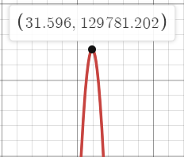

 |  |  |  |  |  | Revenue ' = 8125 - 2 * 130 * P = 0 |  |  | (we set = 0 because 1st derivative is the SLOPE of the revenue curve where the tip of the curve = 0)
 |  |  |  |  |  |  |  |  |  |  | Find P;
 |  |  |  |  |  | P = 8125 / 2 * 130 |  |  |  |  | 8125 - 2 * 130 * P = 0
 |  |  |  |  |  | Price Point = | $31.25 | Optimum Price that maximizes revenue |  |  | (-2 * 130 * P) = -8125
 |  |  |  |  |  |  |  |  |  |  | P = -8125 / -2 * 130
 |  |  |  |  |  |  |  |  |  |  | P = 8125 / 2 * 130

 |  |  | Include WL demand on top of BL demand
 |  |  | Revenue = BL Demand * BL Price + WL Demand * WL Price
 |  |  | WL Price = $15
 |  |  | WL Demand = 10000 - BL Demand

 |  |  | Revenue = 8125 * P - 130 * P^2 + (10000 - (8125 - 130 * P)) * 15
 |  |  | Revenue = 8125 * P - 130 * P^2 + (10000 - 8125 + 130 * P) * 15
 |  |  | Revenue = 8125 * P - 130 * P^2 + (1875 + 130 * P) * 15
 |  |  | Revenue = 8125 * P - 130 * P ^ 2 + 28125 + 1950 * P
 |  |  | Revenue = 8125P - 130P^2 + 28125 + 1950P
 |  |  | Revenue = 8125P + 1950P - 130P^2 + 28125
 |  |  | Revenue = 10075P - 130P^2 + 28125

 |  |  | Revenue ' = 10072 - 2 * 130 * P = 0 (ie. SLOPE)
 |  |  | find p;
 |  |  | P = 10075/2*130
 |  |  | 38.75
 |  |  | Optimum price for BL = |  | $38.75
 |  |  |  | Revenue = | $223,328.13 | =(G76+G75*F123)*F123+(10000-(G76+G75*F123))*15
 |  |  | Where Demand for BL Bottles at optimal price = | $38.75 | 3,088 | =G76+G75*F123 | $38.75
 |  |  | And WL Bottles = | $15.00 | 6,913 | =10000-F125 | $15.00
 |  |  |  |  | Revenue generated = |  | $223,328.13 | =SUMPRODUCT(F125:F126,H125:H126)
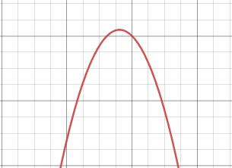

 |  |  |  |  |  | Revenue Curve where you want to be within the curve range at top; anything below or beyond is either too high or too low …
 |  |  |  |  |  | At this point we are able to define what our optimal prince point is.

Influence Chart-initial
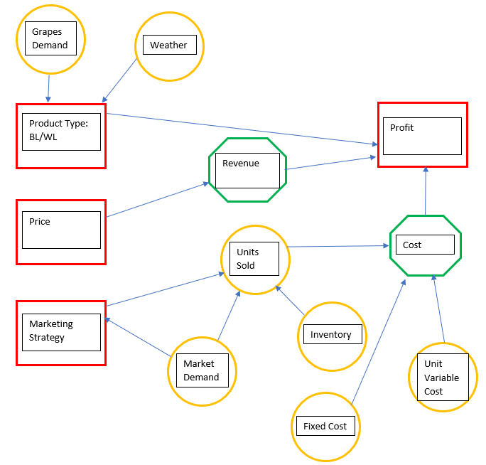

Factors/Forces/Decisions influencing the outcome/objective: |  | Legend:
Weather |  |  | Decision
Demand for raw materials -Grapes (more/less) |  |  | Objective | Equipment = think about the barrels they mentioned
Season for particular wines |  |  | Variables
Estimation for raw materials produced/delivered
Bottling/Vendor used for bottling
Units sold
Units held/Inventory
Product type - WL/BL
Market demand
Market Strategy:
 | Club membership
 | Online Sales
 | Onsite sales from winery tours
 | Wholesale/Distributor
 | Retail stores

Influence Chart-Corrected
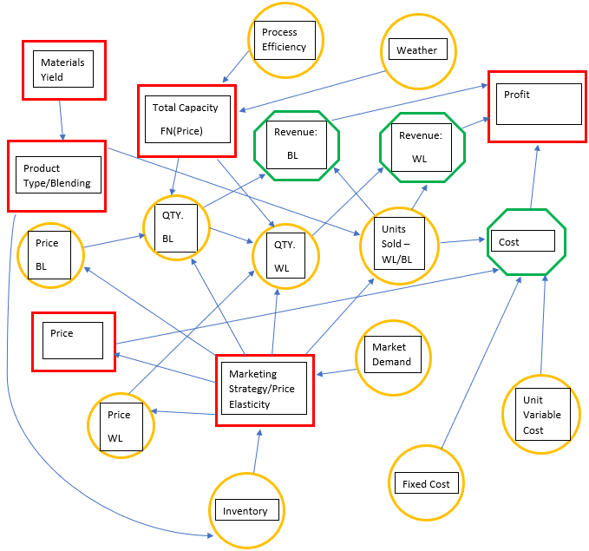

Factors/Forces/Decisions influencing the outcome/objective: |  | Legend:
Weather |  |  | Decision
Demand for raw materials -Grapes (more/less) |  |  | Objective
Season for particular wines |  |  | Variables
Estimation for raw materials produced/delivered
Bottling/Vendor used for bottling
Units sold
Units held/Inventory
Product type - WL/BL
Market demand
Market Strategy:
 | Club membership
 | Online Sales
 | Onsite sales from winery tours
 | Wholesale/Distributor
 | Retail stores

Calculations
 |  | Price |  |  |  | max price has to > 2* min price in order for the max demand to change
 |  | X | Y
 | min WL price | $20.00 | 40,000 | 21,961
 | max WL Price | $38.00 | 20,000 | 15,556 |  | Slope WL | -1,111.11 | =(D5-D4)/(C5-C4) |  | y = aX+b |  |  |  | $20.00 | $40,000
 | Max Demand | 40,000 |  |  |  | intercept | 62,222 | =-H5*C5+D5 |  |  |  |  |  | $21.00 | $38,889
 |  |  |  |  |  |  |  |  |  |  |  |  |  | $22.00 | $37,778
 | optimum WL price | $28.00 |  |  |  | demand | a*P+b |  |  |  |  |  |  | $23.00 | $36,667
 | optimum demand | 31,111 |  |  |  | revenue | a*P^2+b*P |  |  |  | DataTable Purposes |  |  | $24.00 | $35,556
 |  |  |  |  |  | revenue' | 2*a*P+b |  |  |  |  |  |  | $25.00 | $34,444
 |  |  |  |  |  | optimum price | p = -b/2a |  |  |  |  | WL |  | $26.00 | $33,333
 |  |  |  |  |  | optimum price | $28.00 |  |  |  | model price | $22.50 | <== row input cell data table | $27.00 | $32,222
 |  |  |  |  |  | optimum demand | 31,111 |  |  |  | model demand | 37,222 |  | $28.00 | $31,111
 |  |  |  |  |  |  |  |  |  |  |  |  |  | $29.00 | $30,000
 | mimn Bl Price | $28.00 | 31,111 |  |  | Slope BL | -915.03 | =(D16-D15)/(C16-C15) |  |  |  |  |  | $30.00 | $28,889
 | max BL Price | $45.00 | 15555.555556 |  |  | intercept BL | 56,732.03 | =-H15*C16+D16 |  |  |  |  |  | $31.00 | $27,778
 | max BL demand | 31,111 |  |  |  |  |  |  |  |  |  | <== column input cell data table |  | $32.00 | $26,667
 |  |  |  |  |  | optimum BL price | $31.00 |  |  |  |  | BL | WL | $33.00 | $25,556
 |  |  |  |  |  | BL demand | 28,366 | WL demand | 2,745 |  | model price | $28.75 | $22.50 | $34.00 | $24,444
 |  |  |  |  |  | BL revenue | $879,346 | WL Revenue | $76,863 |  | model demand | 30,425 | 6,797 | $35.00 | $23,333
 |  |  |  |  |  |  |  |  |  |  | revenue | $874,714 | $152,941

 |  |  |  |  |  | Total revenue | $956,209 |  |  |  | total revenue | $1,027,655
ONLY considering BL product (excluding WL)
 | Revenue = Demand *Price = 13158*P - 211*P^2

 | Maximum revenue is the price point where the first derivative of revenue = 0
 |  | first derivative is the SLOPE of the revenue curve

 |  | revenue'=0 when:
 |  | optimal price: 56,732 / 1,830

 |  |  |  |  | this is the OPTIMUM BL price that maximizes their revenue

 |  |  |  |  | BL demand anticipated

 |  |  |  |  | BL revenue

Revenue with WL

We can simulate the optimal price point based on changing inputs (WL 15 and BL 62.5)
 |  |  |  |  |  |  |  |  |  | Data Table to simulate multiple scenarios of WL and BL max price
 |  |  |  | WL price
 |  | topmial BL price | $1,203,529.41 | $10.00 | $12.50 | $15.00 | $17.50 | $20.00
 |  | BL max price | $45.00
 |  |  | $50.00
 |  |  | $55.00
 |  |  | $60.00
 |  |  | $65.00

 |  |  |  | WL Price
 |  | revenue | $1,203,529 | $10.00 | $12.50 | $15.00 | $17.50 | $20.00 |  | Data table => sensitivity analysis
 |  | BL price | $45.00 |  |  |  |  |  |  | varying one or two inputs to determine effect on output
 |  |  | $50.00
 |  |  | $55.00
 |  |  | $60.00
 |  |  | $65.00

Dashboard
 |  |  |  |  |  |  |  |  |  |  | Data > Solver > Solve
 |  | Model Inputs |  |  |  |  |  |  |  |  | Solver Output (not tied tio the data table) |  |  | for Data Table purposes ONLY
 | min WL Price | $20.00 | price at which they sell full capacity |  |  |  |  |  |  |  |  | WL optimum price | $20.00 | WL model price | $22.50
 | max WL Price | $38.00 | (Assumption: theoretical price at which they would sell half) |  |  |  |  |  |  |  |  | BL optimum price | $41.00 | BL model price | $28.75
 | min BL Price | $34.50 | price at which they sell full capacity |  |  |  |  |  |  |  |  | Max Total Capacity | 40,000
 | max BL Price | $45.00 | (Assumption: prices at which they would sell half) |  |  |  |  |  |  |  |  | BL optimum demand | 19,215
 | Max Capacity | 40,000 |  |  |  |  |  |  |  |  |  | WL optimum demand | 20,785

 |  |  |  |  |  |  |  |  |  |  |  | optimum revenue | $1,203,529

Revenue BL $40
 |  | WL Min Price Input
Expected Revenue: | $1,027,655 | $18.00 | $20.00 | $22.00 | $24.00 | $26.00 | $28.00 | $30.00 | $32.00 | $34.00
BL Min Price Input | $30.00 | $1,071,373 | $1,092,810 | $1,065,359 | $1,029,020 | $983,791 | $929,673 | $866,667 | $800,000 | $733,333
 | $31.00 | $1,088,758 | $1,112,026 | $1,086,405 | $1,051,895 | $1,008,497 | $956,209 | $895,033 | $826,667 | $757,778
 | $32.00 | $1,104,314 | $1,129,412 | $1,105,621 | $1,072,941 | $1,031,373 | $980,915 | $921,569 | $853,333 | $782,222
 | $33.00 | $1,118,039 | $1,144,967 | $1,123,007 | $1,092,157 | $1,052,418 | $1,003,791 | $946,275 | $879,869 | $806,667
 | $34.00 | $1,129,935 | $1,158,693 | $1,138,562 | $1,109,542 | $1,071,634 | $1,024,837 | $969,150 | $904,575 | $831,111
Revenue WL $20
 | $35.00 | $1,140,000 | $1,170,588 | $1,152,288 | $1,125,098 | $1,089,020 | $1,044,052 | $990,196 | $927,451 | $855,556
 | $36.00 | $1,148,235 | $1,180,654 | $1,164,183 | $1,138,824 | $1,104,575 | $1,061,438 | $1,009,412 | $948,497 | $878,693
 | $37.00 | $1,154,641 | $1,188,889 | $1,174,248 | $1,150,719 | $1,118,301 | $1,076,993 | $1,026,797 | $967,712 | $899,739
 | $38.00 | $1,159,216 | $1,195,294 | $1,182,484 | $1,160,784 | $1,130,196 | $1,090,719 | $1,042,353 | $985,098 | $918,954
 | $39.00 | $1,161,961 | $1,199,869 | $1,188,889 | $1,169,020 | $1,140,261 | $1,102,614 | $1,056,078 | $1,000,654 | $936,340
 | $40.00 | $1,162,876 | $1,202,614 | $1,193,464 | $1,175,425 | $1,148,497 | $1,112,680 | $1,067,974 | $1,014,379 | $951,895
 | $41.00 | $1,161,961 | $1,203,529 | $1,196,209 | $1,180,000 | $1,154,902 | $1,120,915 | $1,078,039 | $1,026,275 | $965,621
 | $42.00 | $1,159,216 | $1,202,614 | $1,197,124 | $1,182,745 | $1,159,477 | $1,127,320 | $1,086,275 | $1,036,340 | $977,516

